Sheet1
indbiz credentials

https://www.indbiz.com.au/AdminHome

ram@starpromotions.com.au

#indbiz@99!01

data entry steps

Steps: 1: open admin https://www.indbiz.com.au/AdminHome

step2: give above credentials and click on login button

step3:After login in leftside navigation we will see Listings menu click here

step4:Now take one more browser and open https://singh.com.au/ this link (because we have to take the information from this website and pull the data to indbiz)

step5: now you open https://singh.com.au/ link browser --> just see once there so many categories is there for example: doemstic services,automative etc,you can see right?

step6: now I will tell you whatever categories already entered,so just open indbiz.com.au link
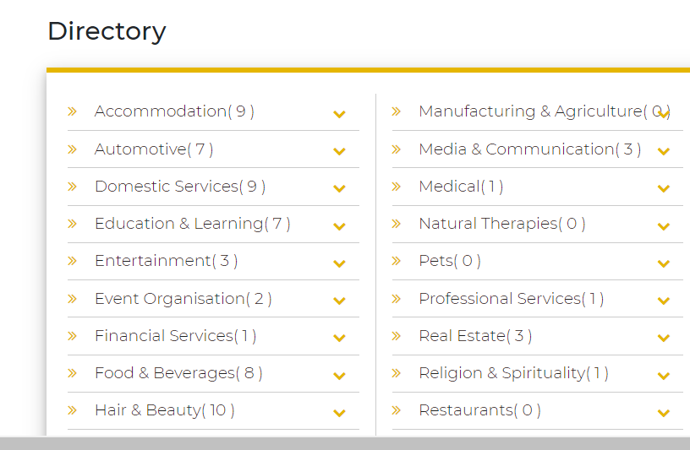

step7:ya,whatvere number is there that is we already entered ,and no count means that is not entered in admin link ok

step8:so just see there Accommodation( 9 )Accommodation( 9 ) count is there that is already enetered,and you click on Room/house for rent categories once-->that is I taken from https://singh.com.au/ website ,so data is appering on https://www.indbiz.com.au/https://www.indbiz.com.au/

Indian Business Directory Australia
https://singh.com.au

step9: ok, now you see Manufacturing & Agriculture and see count how much entries did?

step10: ok,now you entry for this menu and open https://singh.com.au/ and see Manufacturing & Agriculture categories

step11:in singh.com.au click on farmers

step12: after click farmers you will see related all cities information Sydney ,melbourbe etc,click on Indian Farmers Sydney, NSW

step13:yes, now you click on Sandhu and Son

step14:now you open admin link https://www.indbiz.com.au/AddNewListing

Admin Control Panel | V1 Technologies | Website Design | Web Designers | Iphone Ipad App Development | Web Design UK | Web Site Developers | Web Development USA | Web Site Designers
https://www.indbiz.com.au

step15:you already click on add business category na,copy businessname from singh.com.au website Sandhu and Son and paste in admin link of https://www.indbiz.com.au/AddNewListing

step16: select in business categories farmers because your doing farmers category so

step17:in Business Description & Business Keyword box Indian Farmers in Australia

step18: Listin Price select paid

step19: Status select active

step20: Business Website box take website link from singh.com.au https://singh.com.au/indian-farmers-sydney-nsw

step21: in Business Email in singh.com.au email is there means copy and paste if not there means give example@gmail.com

Indian Farmers Sydney, NSW
https://singh.com.au

Type a message

step22: Phone No. copy and paste

step23: in address line Andorra Cl, Glendenning NSW 2761 from singh.com.au

step24: Postcode give 2761 (in some category postal code not there means refer in google and put)

step25:Now Availability box in some cases in singh.com.au it is present if not there means Monday :9am 5pm (or leave blank later we can alter)

step26: because after entered all details click on save business listings button means it is asking image to upload (in some category image is there ,here image is compulsory -->in some category image not there means just open sniptool crop just all details and save the image and upload
sniptool after installing -->just open singh.com.au click try snip&skecth here we can crop where want image

